MEN
Gender | SUBDIVISION/SILLOUETTE/PACKINGWAY | Pack Code | Group | Label | Item #
MENS | SOCKS-LOW CUT-HANGING | 6 PACK | PERFORMANCE-HC | US POLO ASSN | -
Warehouse Code | Picture | Style # | Style Description | Size | UPC Code | MSRP | PPK | MCU | Total ATS
TEC-NJ |  | UH6294AST | M.6PK LOW CUT - CUSHION | 6-12 | 662239070003 | $22.00 | 12 | 48 | 7,200
TEC-NJ | 0000054992 |  |  | MIN
TEC-NJ | 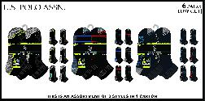 | UH6295AST | M.6PK LOW CUT-CUSHION- ASST | 6-12 | 662239070010 | $22.00 | 12 | 48 | 7,200
TEC-NJ | 0000054993 |  |  | MIN
TEC-NJ | 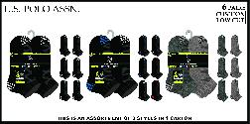 | UH6920ASTV | M.6PK LOW CUT - CUSHION | 6-12 | 662239083751 | $22.00 | 12 | 48 | 3,600
Warehouse Code | Open Po |  |  | FF |  |  | Status | ETA
TEC-NJ | 0000054994 |  |  | MIN
TEC-NJ | 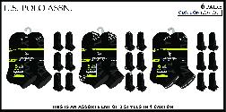 | UH7649AST | M.6PK LOW CUT - CUSHION | 6-12 | 662239096713 | $22.00 | 12 | 48 | 7,200
Warehouse Code | Open Po |  |  | FF |  |  | Status | ETA
TEC-NJ | 0000054991 |  |  | MIN
Gender | SUBDIVISION/SILLOUETTE/PACKINGWAY | Pack Code | Group | Label | Item #
MENS | SOCKS-LOW CUT-HANGING | 6 PACK | CASUAL-HC | US POLO ASSN | -
Warehouse Code | Picture | Style # | Style Description | Size | UPC Code | MSRP | PPK | MCU | Total ATS
TEC-NJ |  | UH7989AST | M.6PK LOW CUT HC | 6-12 | 662239108072 | $22.00 | 12 | 48 | 6,000
Warehouse Code | Open Po |  |  | FF |  |  | Status | ETA
TEC-NJ | 0000054995 |  |  | MIN
Gender | SUBDIVISION/SILLOUETTE/PACKINGWAY | Pack Code | Group | Label | Item #
MENS | SOCKS-FULL CREW-HANGING | 6 PACK | CASUAL-HC | US POLO ASSN | -
Warehouse Code | Picture | Style # | Style Description | Size | UPC Code | MSRP | PPK | MCU | Total ATS
TEC-NJ | 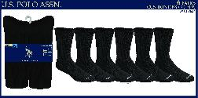 | UH7624 | M.6PK F.CREW -CUSHION | 6-12 | 662239095952 | $28.00 | 16 | 48 | 1,536
TEC-NJ | 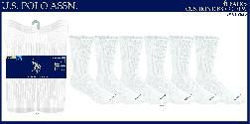 | UH7625 | M.6P F.CREW -CUSHION | 6-12 | 662239095969 | $28.00 | 16 | 48 | 48
TEC-NJ |  | UH7627 | M.6PK F.CREW -CUSHION | 6-12 | 662239095983 | $28.00 | 16 | 48 | 2,400
TEC-NJ | 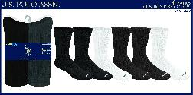 | UH7628 | M.6PK F.CREW -CUSHION | 6-12 | 662239095990 | $28.00 | 16 | 48 | 2,352
Gender | SUBDIVISION/SILLOUETTE/PACKINGWAY | Pack Code | Group | Label | Item #
MENS | SOCKS-LINERS-HANGING | 6 PACK | CASUAL-NC | US POLO ASSN | -
Warehouse Code | Picture | Style # | Style Description | Size | UPC Code | MSRP | PPK | MCU | Total ATS
TEC-NJ | 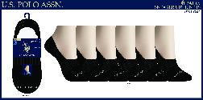 | UH7534 | M.6PK LINERS NC | 6-12 | 662239093552 | $22.00 | 3 | 48 | 2,400
Warehouse Code | Open Po |  |  | FF |  |  | Status | ETA
TEC-NJ | 0000054962 |  |  | MIN
TEC-NJ | 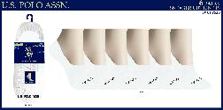 | UH7535 | M.6PK LINERS NC | 6-12 | 662239093569 | $22.00 | 3 | 48 | 2,400
Warehouse Code | Open Po |  |  | FF |  |  | Status | ETA
TEC-NJ | 0000054962 |  |  | MIN
TEC-NJ | 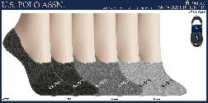 | UH7536 | M.6PK LINERS NC | 6-12 | 662239093576 | $22.00 | 3 | 48 | 2,400
Warehouse Code | Open Po |  |  | FF |  |  | Status | ETA
TEC-NJ | 0000054962 |  |  | MIN
TEC-NJ | 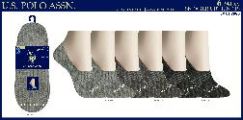 | UH7985 | M.6PK LINERS NC | 6-12 | 662239105392 | $22.00 | 3 | 48 | 2,400
Warehouse Code | Open Po |  |  | FF |  |  | Status | ETA
TEC-NJ | 0000054962 |  |  | MIN |  |  | INTRANS | 2025-12-28 | 47,136

WOMEN
Gender | SUBDIVISION/SILLOUETTE/PACKINGWAY | Pack Code | Group | Label | Item # |  |  |  | Total
LADIES | SOCKS-LOW CUT-HANGING | 10 PACK | CASUAL-NC | US POLO ASSN | - |  |  |  | 27936
Warehouse Code | Picture | Style # | Style Description | Size | UPC Code | MSRP | PPK | MCU | Open Stock | Coming-In | Total ATS
TEC-NJ | 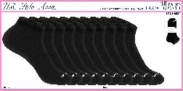 | UH6621 | L.10PK LOW CUT NC | 9-11 | 662239078122 | $26.00 | 3 | 48 | 2,400 | 0 | 2,400
TEC-NJ | 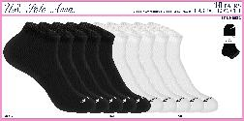 | UH6622 | L.10PK LOW CUT NC | 9-11 | 662239078139 | $26.00 | 3 | 48 | 2,400 | 0 | 2,400
TEC-NJ | 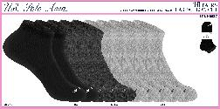 | UH6627 | L.10PK LOW CUT NC | 9-11 | 662239078184 | $26.00 | 3 | 48 | 2,400 | 0 | 2,400
TEC-NJ | 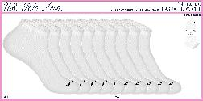 | UH6628 | L.10PK LOW CUT NC | 9-11 | 662239078191 | $26.00 | 3 | 48 | 1,776 | 0 | 1,776
TEC-NJ |  | UH6864AST | L.10PK LOW CUTS | 4-10 | 662239082495 | $26.00 | 3 | 48 | 3,360 | 4,800 | 8,160
Warehouse Code | Open Po |  |  | FF |  |  | Status | ETA | Units | PO In Transit Units
TEC-NJ | 0000055010 |  |  | CITY |  |  | INTRANS | 2025-12-20 | 4,800 | 4,800

TEC-NJ | 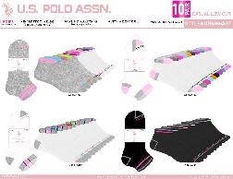 | UH6865AST | L.10PK LOW CUTS | 4-10 | 662239082501 | $26.00 | 3 | 48 | 3,360 | 2,400 | 5,760
Warehouse Code | Open Po |  |  | FF |  |  | Status | ETA | Units | PO In Transit Units
TEC-NJ | 0000055011 |  |  | CITY |  |  | INTRANS | 2025-12-20 | 2,400 | 2,400

TEC-NJ |  | UH6913AST | L.10PK LOW CUTS | 4-10 | 662239083669 | $26.00 | 3 | 48 | 4,800 | 4,800 | 9,600
Warehouse Code | Open Po |  |  | FF |  |  | Status | ETA | Units | PO In Transit Units
TEC-NJ | 0000055012 |  |  | CITY |  |  | INTRANS | 2025-12-20 | 4,800 | 4,800

TEC-NJ | 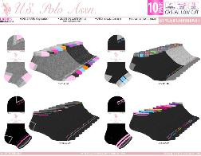 | UH6968AST | L.10PK LOW CUTS | 4-10 | 662239084468 | $26.00 | 12 | 48 | 4,800 | 2,400 | 7,200
Warehouse Code | Open Po |  |  | FF |  |  | Status | ETA | Units | PO In Transit Units
TEC-NJ | 0000055013 |  |  | CITY |  |  | INTRANS | 2025-12-20 | 2,400 | 2,400

TEC-NJ | 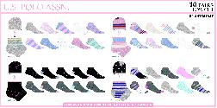 | UH7561AST | L.10PK LOW CUTS | 4-10 | 662239094870 | $26.00 | 12 | 48 | 2,640 | 4,800 | 7,440
Warehouse Code | Open Po |  |  | FF |  |  | Status | ETA | Units | PO In Transit Units
TEC-NJ | 0000055014 |  |  | CITY |  |  | INTRANS | 2025-12-20 | 4,800 | 4,800

TEC-NJ | 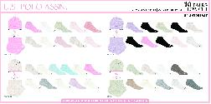 | UH7981AST | L.10PK LOW CUTS | 4-10 | 662239105170 | $26.00 | 3 | 48 | 0 | 4,800 | 4,800
Warehouse Code | Open Po |  |  | FF |  |  | Status | ETA | Units | PO In Transit Units
TEC-NJ | 0000055015 |  |  | CITY |  |  | INTRANS | 2025-12-20 | 4,800 | 4,800

Gender | SUBDIVISION/SILLOUETTE/PACKINGWAY | Pack Code | Group | Label | Item # |  |  |  | Total
LADIES | SOCKS-QUARTER CREW-HANGING | 10 PACK | CASUAL-NC | US POLO ASSN | - |  |  |  | 8400
Warehouse Code | Picture | Style # | Style Description | Size | UPC Code | MSRP | PPK | MCU | Open Stock | Coming-In | Total ATS
TEC-NJ | 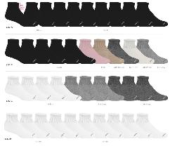 | UH7984AST | L.10PK QUARTERS CREW RIB-NC | 4-10 | 662239105385 | $20.00 | 4 | 48 | 8,400 | 0 | 8,400
Gender | SUBDIVISION/SILLOUETTE/PACKINGWAY | Pack Code | Group | Label | Item # |  |  |  | Total
LADIES | SOCKS-FULL CREW-HANGING | 6 PACK | CASUAL-HC | US POLO ASSN | - |  |  |  | 2136
Warehouse Code | Picture | Style # | Style Description | Size | UPC Code | MSRP | PPK | MCU | Open Stock | Coming-In | Total ATS
TEC-NJ | 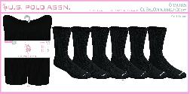 | UH7896 | L.6PK RIB CREW - CUSHION | 4-10 | 662239101073 | $28.00 | 16 | 48 | 480 | 0 | 480
TEC-NJ | 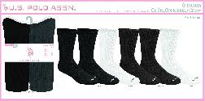 | UH7900 | L.6PK RIB CREW - CUSHION | 4-10 | 662239101110 | $28.00 | 16 | 48 | 1,656 | 0 | 1,656

